API Tables
Type of PRD (Table 7.1) |  | Table 2.C.3.1 (Inspection effectiveness)
Conventional |  | Highly Effective
Balanced Bellows |  | Usually Effective
Pilot Operated |  | Fairly Effective
PRV with Rupture Disk |  | Ineffective
Rupture Disk only

PRD Service Severity |  | PRD Inlet Sizes (Inch)
Mild |  | <= 0.75 Inch
Moderate |  | 0.75 < Inlet size <= 1.5
Severe |  | 1.5 < Inlet size <= 3
 |  | 3 < Inlet size <= 6
 |  | > 6
PRD Discharge Location
Atmosphere
Flare
Closed Process

Table 7.6 – Environmental Adjustment Factors to Weibull η Parameter
Environment Modifier | Adjustment to POFOD η Parameter | Adjustment to POL η Parameter
Operating Temperature 200<T<500oF | 1 | 0.8
Operating Temperature > 500oF | 1 | 0.6
Operating Ratio >90% for spring-loaded PRVs or >95% for pilot-operated PRVs | 1 | 0.5
Installed Piping Vibration | 1 | 0.8
Pulsating or Cyclical service, such as Downstream of Positive Displacement Rotating Equipment | 1 | 0.8
History of Excessive Actuation in Service (greater than 5 times per year) | 0.5 | 0.5
History of Chatter | 0.5 | 0.5

Table 7.5 – Default Weibull Parameters for POFOD
Fluid Severity | Conventional and Balanced Bellows PRVs |  | Pilot-Operated PRVs |  | Rupture Disks
 | β | ηdef | β | ηdef | β | ηdef
Mild | 1.8 | 50.5 | 1.8 | 33.7 | 1.8 | 50.5
Moderate | 1.8 | 23.9 | 1.8 | 8 | 1.8 | 50.5
Severe | 1.8 | 17.6 | 1.8 | 3.5 | 1.8 | 50.5

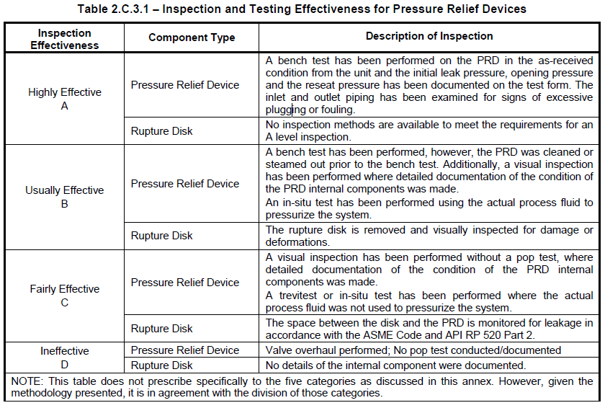

Table 7.2 – Default Initiating Event Frequencies
Overpressure Demand Case | EFj(events/year) | DRRFj (See notes 2 and 3)
Fire | 0.004 | 0.1
Loss of Cooling Water Utility | 0.1 | 1
Electrical Power Supply failure | 0.08 | 1
Blocked Discharge with Administrative Controls in Place | 0.01 | 1
Blocked Discharge without Administrative Controls | 0.1 | 1
Control Valve Failure,Initiating event in same direction as CV normal fail position | 0.1 | 1
Control Valve Failure,Initiating event in opposite direction as CV normal fail position | 0.02 | 1
Runaway Chemical Reaction | 1 | 1
Heat Exchanger Tube Rupture | 0.001 | 1
Tower P/A or Reflux Pump Failures | 0.2 | 1
Thermal Relief with Administrative Controls in Place | 0.01 | 1
Thermal Relief without Administrative Controls | 0.1 | 1
Liquid Overfilling with Administrative Controls in Place | 0.01 | 0.1
Liquid Overfilling without Administrative Controls | 0.1 | 0.1

Table 3.1 – Suggested Component Generic Failure Frequencies
Equipment Type | gff total (failures/yr)
Compressor Reciprocating | 3.06E-05
Heat Exchanger (Shell&Tube) | 3.06E-05
Pipe-1/2 Inch | 3.06E-05
Pipe-4/6 Inch | 3.06E-05
Pipe-8/10/12/16 Inch | 3.06E-05
Pump | 3.06E-05
Vessel/Fin Fan | 3.06E-05

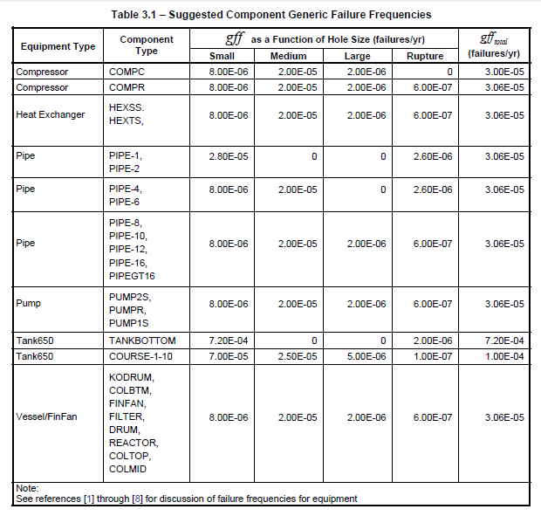

Table 7. 10 – DF Classes for Protected Equipment
DF Class | DF | Description
None | 1 | New vessel or inspection shows little if any damage.
Minimal | 20 | Equipment has been in service for a reasonable amount of time and inspection shows evidence of minor damage. Damage mechanisms have been identified and inspection data is available.
Minor | 200 | One or more damage mechanisms have been identified, limited inspection data available and fairly moderate evidence of damage. Single damage mechanism identified, recent inspection indicates moderate evidence of damage.
Moderate | 750 | Moderate damage found during recent inspection. Low susceptible to one or more damage mechanisms, and limited inspection exists.
Severe | 2,000 | One or more active damage mechanisms present without any recent inspection history. Limited inspection indicating high damage susceptibility.

Table 7.12 – Default Weibull Parameters for Probability of Leakage (POL)
Fluid Severity | Conventional PRVs |  | Balanced Bellows PRVs |  | Pilot-Operated PRVs |  | Rupture Disks
 | β | ηdef | β | ηdef | β | ηdef | β | ηdef
Mild | 1.6 | 17.5 | 1.6 | 16 | 1.6 | 17.5 | 1.6 | 17.5
Moderate | 1.6 | 15.5 | 1.6 | 14 | 1.6 | 15.5 | 1.6 | 17.5
Severe | 1.6 | 13.1 | 1.6 | 11.5 | 1.6 | 13.1 | 1.6 | 17.5

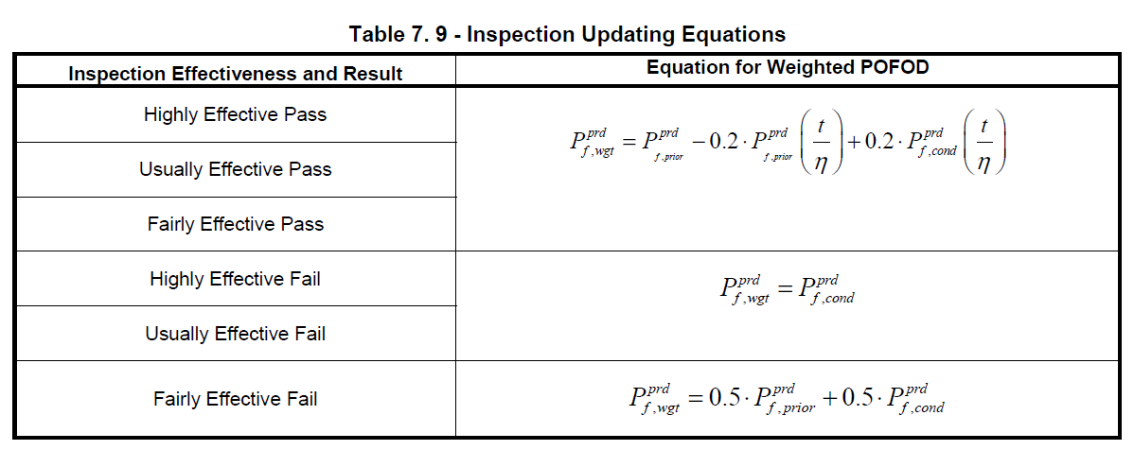
PRD Leak case to determine Weighted Probability
Highly Effective No Leak

Usually Effective No Leak

Fairly Effective No Leak

Highly Effective Leak

Usually Effective Leak

Fairly Effective Leak

